4.Sales report(pivot)
 | 4.Sales by country (with pivots)

Adding an extra layer of filters to pivot table for detailed analysis. Using Slicer, we can now analyze performance based on individual sales persons in different countries.

 |  | Row Labels | Sum of Amount |  | Sum of Units
 |  | India | $252,469 | 252469 | 8,760
 |  | Canada | $237,944 | 237944 | 7,302
 |  | New Zealand | $218,813 | 218813 | 7,431
 |  | USA | $189,434 | 189434 | 10,158
 |  | UK | $173,530 | 173530 | 5,745
 |  | Australia | $168,679 | 168679 | 6,264

6. Anomalies in data
 | 6.Are there any anomalies in the data?

So this is an open ended question that can be analyzed in number of ways.
Which country had a more uniform sales and in what range of amount
Is any product making too much amount by selling much less number of unites comparatively.
Or Is there any product making not enough money even after selling high units comparatively
 |  | Sales Person | Geography | Product | Amount | Units
 |  | Ram Mahesh | New Zealand | 70% Dark Bites | $1,624 | 114
Using Scatter plot we get an idea of anomalies available in data, which can be analyzed manually further placing the cursor. |  | Brien Boise | USA | Choco Coated Almonds | $6,706 | 459
 |  | Husein Augar | USA | Almond Choco | $959 | 147
 |  | Carla Molina | Canada | Drinking Coco | $9,632 | 288
 |  | Curtice Advani | UK | White Choc | $2,100 | 414
 |  | Ram Mahesh | USA | Peanut Butter Cubes | $8,869 | 432
 |  | Curtice Advani | Australia | Smooth Sliky Salty | $2,681 | 54
 |  | Brien Boise | USA | After Nines | $5,012 | 210
 |  | Ches Bonnell | Australia | 50% Dark Bites | $1,281 | 75
 |  | Gigi Bohling | New Zealand | 50% Dark Bites | $4,991 | 12
 |  | Barr Faughny | UK | White Choc | $1,785 | 462
 |  | Gunar Cockshoot | New Zealand | Eclairs | $3,983 | 144
 |  | Husein Augar | Australia | Mint Chip Choco | $2,646 | 120
 |  | Barr Faughny | India | Milk Bars | $252 | 54
 |  | Gunar Cockshoot | USA | White Choc | $2,464 | 234
 |  | Gunar Cockshoot | USA | Manuka Honey Choco | $2,114 | 66
 |  | Curtice Advani | New Zealand | Smooth Sliky Salty | $7,693 | 87
 |  | Gigi Bohling | India | Orange Choco | $15,610 | 339
Using box and whisker plot we get a clear idea of variablity in the data |  | Carla Molina | India | After Nines | $336 | 144
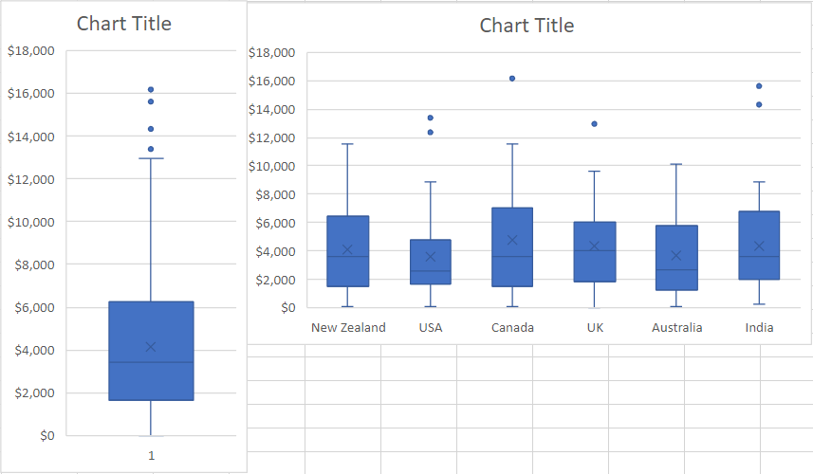
Amount - Country
 |  | Barr Faughny | UK | Orange Choco | $9,443 | 162
 |  | Husein Augar | India | Fruit & Nut Bars | $8,155 | 90
 |  | Brien Boise | Australia | Fruit & Nut Bars | $1,701 | 234
 |  | Oby Sorrel | Australia | After Nines | $2,205 | 141
 |  | Brien Boise | New Zealand | 99% Dark & Pure | $1,771 | 204
 |  | Carla Molina | USA | Raspberry Choco | $2,114 | 186
 |  | Carla Molina | Canada | Milk Bars | $10,311 | 231
 |  | Gunar Cockshoot | UK | Mint Chip Choco | $21 | 168
 |  | Oby Sorrel | USA | Orange Choco | $1,974 | 195
 |  | Gigi Bohling | Canada | Fruit & Nut Bars | $6,314 | 15
 |  | Oby Sorrel | New Zealand | Fruit & Nut Bars | $4,683 | 30
 |  | Carla Molina | New Zealand | 85% Dark Bars | $6,398 | 102
 |  | Barr Faughny | USA | 99% Dark & Pure | $553 | 15
 |  | Brien Boise | UK | 70% Dark Bites | $7,021 | 183
 |  | Ram Mahesh | UK | After Nines | $5,817 | 12
 |  | Carla Molina | UK | 50% Dark Bites | $3,976 | 72
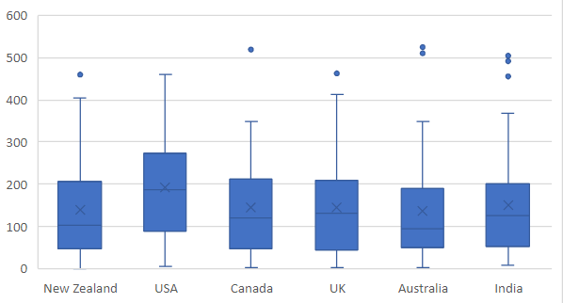
Units - Country
 |  | Curtice Advani | Australia | Organic Choco Syrup | $1,134 | 282
 |  | Barr Faughny | UK | Caramel Stuffed Bars | $6,027 | 144
 |  | Curtice Advani | New Zealand | Mint Chip Choco | $1,904 | 405
 |  | Ches Bonnell | India | Choco Coated Almonds | $3,262 | 75
 |  | Ram Mahesh | India | Organic Choco Syrup | $2,289 | 135
 |  | Gigi Bohling | India | Organic Choco Syrup | $6,986 | 21
 |  | Barr Faughny | Australia | Fruit & Nut Bars | $4,417 | 153
 |  | Curtice Advani | India | Raspberry Choco | $1,442 | 15
 |  | Gunar Cockshoot | USA | 50% Dark Bites | $2,415 | 255
 |  | Barr Faughny | New Zealand | 99% Dark & Pure | $238 | 18
 |  | Curtice Advani | New Zealand | Fruit & Nut Bars | $4,949 | 189
 |  | Gigi Bohling | Australia | Choco Coated Almonds | $5,075 | 21
 |  | Gunar Cockshoot | Canada | Mint Chip Choco | $9,198 | 36
 |  | Curtice Advani | India | Manuka Honey Choco | $3,339 | 75
 |  | Ram Mahesh | India | Eclairs | $5,019 | 156
 |  | Gigi Bohling | Canada | Mint Chip Choco | $16,184 | 39
 |  | Curtice Advani | Canada | Spicy Special Slims | $497 | 63
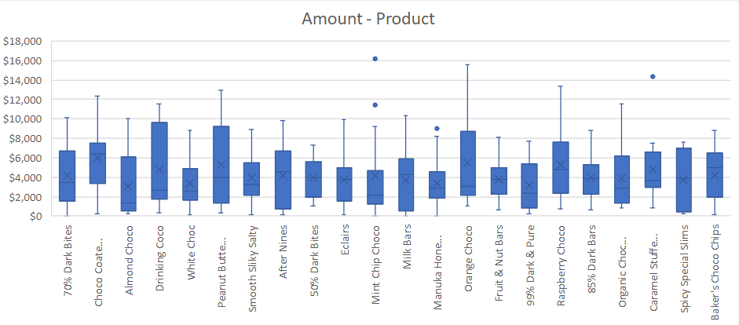
 |  | Barr Faughny | Canada | Manuka Honey Choco | $8,211 | 75
 |  | Barr Faughny | Australia | Caramel Stuffed Bars | $6,580 | 183
 |  | Carla Molina | USA | Milk Bars | $4,760 | 69
 |  | Ram Mahesh | Canada | White Choc | $5,439 | 30
 |  | Carla Molina | India | Eclairs | $1,463 | 39
 |  | Gunar Cockshoot | India | Choco Coated Almonds | $7,777 | 504
 |  | Husein Augar | New Zealand | Manuka Honey Choco | $1,085 | 273
 |  | Gigi Bohling | New Zealand | Smooth Sliky Salty | $182 | 48
 |  | Curtice Advani | India | Organic Choco Syrup | $4,242 | 207
 |  | Curtice Advani | Canada | Choco Coated Almonds | $6,118 | 9
 |  | Oby Sorrel | Canada | Fruit & Nut Bars | $2,317 | 261
 |  | Curtice Advani | Australia | Mint Chip Choco | $938 | 6
 |  | Brien Boise | New Zealand | Raspberry Choco | $9,709 | 30
 |  | Ches Bonnell | India | Orange Choco | $2,205 | 138
 |  | Ches Bonnell | New Zealand | Eclairs | $4,487 | 111
 |  | Gigi Bohling | USA | Drinking Coco | $2,415 | 15
 |  | Ram Mahesh | India | 99% Dark & Pure | $4,018 | 162
 |  | Gigi Bohling | India | 99% Dark & Pure | $861 | 195
 |  | Oby Sorrel | Australia | 50% Dark Bites | $5,586 | 525
 |  | Ches Bonnell | India | Peanut Butter Cubes | $2,226 | 48
 |  | Husein Augar | India | Caramel Stuffed Bars | $14,329 | 150
 |  | Husein Augar | India | Orange Choco | $8,463 | 492
 |  | Gigi Bohling | India | Manuka Honey Choco | $2,891 | 102
 |  | Gunar Cockshoot | Canada | Fruit & Nut Bars | $3,773 | 165
 |  | Carla Molina | Canada | Caramel Stuffed Bars | $854 | 309
 |  | Curtice Advani | Canada | Eclairs | $4,970 | 156
 |  | Husein Augar | USA | Baker's Choco Chips | $98 | 159
 |  | Gigi Bohling | USA | Raspberry Choco | $13,391 | 201
 |  | Brien Boise | UK | Smooth Sliky Salty | $8,890 | 210
 |  | Barr Faughny | Australia | Milk Bars | $56 | 51
 |  | Gunar Cockshoot | Canada | White Choc | $3,339 | 39
 |  | Oby Sorrel | USA | Drinking Coco | $3,808 | 279
 |  | Oby Sorrel | Australia | Milk Bars | $63 | 123
 |  | Barr Faughny | UK | Organic Choco Syrup | $7,812 | 81
 |  | Ram Mahesh | New Zealand | 99% Dark & Pure | $7,693 | 21
 |  | Gunar Cockshoot | Canada | Caramel Stuffed Bars | $973 | 162
 |  | Oby Sorrel | USA | Spicy Special Slims | $567 | 228
 |  | Oby Sorrel | Canada | Manuka Honey Choco | $2,471 | 342
 |  | Gigi Bohling | Australia | Milk Bars | $7,189 | 54
 |  | Carla Molina | USA | Caramel Stuffed Bars | $7,455 | 216
 |  | Gunar Cockshoot | India | Baker's Choco Chips | $3,108 | 54
 |  | Curtice Advani | Australia | White Choc | $469 | 75
 |  | Husein Augar | New Zealand | Fruit & Nut Bars | $2,737 | 93
 |  | Husein Augar | New Zealand | White Choc | $4,305 | 156
 |  | Husein Augar | Australia | Eclairs | $2,408 | 9
 |  | Gunar Cockshoot | Canada | 99% Dark & Pure | $1,281 | 18
 |  | Ram Mahesh | USA | Choco Coated Almonds | $12,348 | 234
 |  | Gunar Cockshoot | India | Caramel Stuffed Bars | $3,689 | 312
 |  | Ches Bonnell | Canada | 99% Dark & Pure | $2,870 | 300
 |  | Barr Faughny | Canada | Organic Choco Syrup | $798 | 519
 |  | Carla Molina | New Zealand | Spicy Special Slims | $2,933 | 9
 |  | Gigi Bohling | USA | Almond Choco | $2,744 | 9
 |  | Ram Mahesh | Canada | Peanut Butter Cubes | $9,772 | 90
 |  | Ches Bonnell | India | White Choc | $1,568 | 96
 |  | Barr Faughny | Canada | Mint Chip Choco | $11,417 | 21
 |  | Ram Mahesh | India | Baker's Choco Chips | $6,748 | 48
 |  | Oby Sorrel | Canada | Organic Choco Syrup | $1,407 | 72
 |  | Brien Boise | USA | Manuka Honey Choco | $2,023 | 168
 |  | Gigi Bohling | UK | Baker's Choco Chips | $5,236 | 51
 |  | Carla Molina | Canada | 99% Dark & Pure | $1,925 | 192
 |  | Ches Bonnell | New Zealand | 50% Dark Bites | $6,608 | 225
 |  | Curtice Advani | India | Baker's Choco Chips | $8,008 | 456
 |  | Oby Sorrel | India | White Choc | $1,428 | 93
 |  | Curtice Advani | India | Almond Choco | $525 | 48
 |  | Curtice Advani | New Zealand | Drinking Coco | $1,505 | 102
 |  | Ches Bonnell | USA | 70% Dark Bites | $6,755 | 252
 |  | Barr Faughny | New Zealand | Drinking Coco | $11,571 | 138
 |  | Ram Mahesh | Australia | White Choc | $2,541 | 90
 |  | Carla Molina | New Zealand | 70% Dark Bites | $1,526 | 240
 |  | Ram Mahesh | Australia | Almond Choco | $6,125 | 102
 |  | Carla Molina | USA | Organic Choco Syrup | $847 | 129
 |  | Brien Boise | USA | Organic Choco Syrup | $4,753 | 300
 |  | Curtice Advani | Australia | Peanut Butter Cubes | $959 | 135
 |  | Ches Bonnell | USA | 85% Dark Bars | $2,793 | 114
 |  | Ches Bonnell | USA | 50% Dark Bites | $4,606 | 63
 |  | Ches Bonnell | Canada | Manuka Honey Choco | $5,551 | 252
 |  | Oby Sorrel | Canada | Choco Coated Almonds | $6,657 | 303
 |  | Ches Bonnell | UK | Eclairs | $4,438 | 246
 |  | Brien Boise | Australia | After Nines | $168 | 84
 |  | Ches Bonnell | India | Eclairs | $7,777 | 39
 |  | Gigi Bohling | Canada | Eclairs | $3,339 | 348
 |  | Ches Bonnell | New Zealand | Peanut Butter Cubes | $6,391 | 48
 |  | Gigi Bohling | New Zealand | After Nines | $518 | 75
 |  | Ches Bonnell | Australia | Caramel Stuffed Bars | $5,677 | 258
 |  | Curtice Advani | UK | Eclairs | $6,048 | 27
 |  | Brien Boise | Australia | Choco Coated Almonds | $3,752 | 213
 |  | Gigi Bohling | USA | Manuka Honey Choco | $4,480 | 357
 |  | Husein Augar | New Zealand | Almond Choco | $259 | 207
 |  | Brien Boise | New Zealand | 70% Dark Bites | $42 | 150
 |  | Carla Molina | Canada | Baker's Choco Chips | $98 | 204
 |  | Ches Bonnell | USA | Organic Choco Syrup | $2,478 | 21
 |  | Carla Molina | India | Peanut Butter Cubes | $7,847 | 174
 |  | Barr Faughny | New Zealand | Eclairs | $9,926 | 201
 |  | Brien Boise | Australia | Milk Bars | $819 | 510
 |  | Curtice Advani | UK | Manuka Honey Choco | $3,052 | 378
 |  | Husein Augar | India | Spicy Special Slims | $6,832 | 27
 |  | Barr Faughny | UK | Mint Chip Choco | $2,016 | 117
 |  | Curtice Advani | Australia | Spicy Special Slims | $7,322 | 36
 |  | Brien Boise | USA | Peanut Butter Cubes | $357 | 126
 |  | Husein Augar | UK | White Choc | $3,192 | 72
 |  | Ches Bonnell | Canada | After Nines | $8,435 | 42
 |  | Ram Mahesh | UK | Manuka Honey Choco | $0 | 135
 |  | Ches Bonnell | India | 85% Dark Bars | $8,862 | 189
 |  | Curtice Advani | New Zealand | Caramel Stuffed Bars | $3,556 | 459
 |  | Gigi Bohling | India | Raspberry Choco | $7,280 | 201
 |  | Curtice Advani | India | 70% Dark Bites | $3,402 | 366
 |  | Gunar Cockshoot | New Zealand | Manuka Honey Choco | $4,592 | 324
 |  | Husein Augar | USA | Raspberry Choco | $7,833 | 243
 |  | Barr Faughny | UK | Spicy Special Slims | $7,651 | 213
 |  | Ram Mahesh | USA | 70% Dark Bites | $2,275 | 447
 |  | Ram Mahesh | Australia | Milk Bars | $5,670 | 297
 |  | Ches Bonnell | USA | Mint Chip Choco | $2,135 | 27
 |  | Ram Mahesh | India | Fruit & Nut Bars | $2,779 | 75
 |  | Oby Sorrel | UK | Peanut Butter Cubes | $12,950 | 30
 |  | Ches Bonnell | Canada | Drinking Coco | $2,646 | 177
 |  | Ram Mahesh | India | Peanut Butter Cubes | $3,794 | 159
 |  | Gunar Cockshoot | USA | Peanut Butter Cubes | $819 | 306
 |  | Gunar Cockshoot | India | Orange Choco | $2,583 | 18
 |  | Ches Bonnell | USA | 99% Dark & Pure | $4,585 | 240
 |  | Gigi Bohling | India | Peanut Butter Cubes | $1,652 | 93
 |  | Oby Sorrel | India | Baker's Choco Chips | $4,991 | 9
 |  | Brien Boise | India | Mint Chip Choco | $2,009 | 219
 |  | Barr Faughny | UK | After Nines | $1,568 | 141
 |  | Carla Molina | New Zealand | Orange Choco | $3,388 | 123
 |  | Ram Mahesh | Australia | 85% Dark Bars | $623 | 51
 |  | Curtice Advani | Canada | Almond Choco | $10,073 | 120
 |  | Brien Boise | UK | Baker's Choco Chips | $1,561 | 27
 |  | Husein Augar | Canada | Organic Choco Syrup | $11,522 | 204
 |  | Curtice Advani | Australia | Milk Bars | $2,317 | 123
 |  | Oby Sorrel | New Zealand | Caramel Stuffed Bars | $3,059 | 27
 |  | Carla Molina | New Zealand | Baker's Choco Chips | $2,324 | 177
 |  | Gunar Cockshoot | UK | Baker's Choco Chips | $4,956 | 171
 |  | Oby Sorrel | India | 99% Dark & Pure | $5,355 | 204
 |  | Gunar Cockshoot | India | 50% Dark Bites | $7,259 | 276
 |  | Brien Boise | New Zealand | Baker's Choco Chips | $6,279 | 45
 |  | Ram Mahesh | Australia | Manuka Honey Choco | $2,541 | 45
 |  | Curtice Advani | USA | Organic Choco Syrup | $3,864 | 177
 |  | Gigi Bohling | Canada | Milk Bars | $6,146 | 63
 |  | Husein Augar | UK | Drinking Coco | $2,639 | 204
 |  | Brien Boise | New Zealand | After Nines | $1,890 | 195
 |  | Ches Bonnell | India | 50% Dark Bites | $1,932 | 369
 |  | Gunar Cockshoot | India | White Choc | $6,300 | 42
 |  | Curtice Advani | New Zealand | 70% Dark Bites | $560 | 81
 |  | Husein Augar | New Zealand | Baker's Choco Chips | $2,856 | 246
 |  | Husein Augar | India | Eclairs | $707 | 174
 |  | Brien Boise | USA | 70% Dark Bites | $3,598 | 81
 |  | Ram Mahesh | USA | After Nines | $6,853 | 372
 |  | Ram Mahesh | USA | Mint Chip Choco | $4,725 | 174
 |  | Carla Molina | Canada | Choco Coated Almonds | $10,304 | 84
 |  | Carla Molina | India | Mint Chip Choco | $1,274 | 225
 |  | Gigi Bohling | Canada | 70% Dark Bites | $1,526 | 105
 |  | Ram Mahesh | UK | Caramel Stuffed Bars | $3,101 | 225
 |  | Barr Faughny | New Zealand | 50% Dark Bites | $1,057 | 54
 |  | Ches Bonnell | New Zealand | Baker's Choco Chips | $5,306 | 0
 |  | Gigi Bohling | UK | 85% Dark Bars | $4,018 | 171
 |  | Husein Augar | India | Mint Chip Choco | $938 | 189
 |  | Ches Bonnell | Australia | Drinking Coco | $1,778 | 270
 |  | Curtice Advani | UK | 70% Dark Bites | $1,638 | 63
 |  | Carla Molina | Australia | White Choc | $154 | 21
 |  | Ches Bonnell | New Zealand | After Nines | $9,835 | 207
 |  | Husein Augar | New Zealand | Orange Choco | $7,273 | 96
 |  | Gigi Bohling | UK | After Nines | $6,909 | 81
 |  | Husein Augar | UK | 85% Dark Bars | $3,920 | 306
 |  | Oby Sorrel | UK | Spicy Special Slims | $4,858 | 279
 |  | Barr Faughny | Australia | Almond Choco | $3,549 | 3
 |  | Ches Bonnell | UK | Organic Choco Syrup | $966 | 198
 |  | Gigi Bohling | UK | Drinking Coco | $385 | 249
 |  | Curtice Advani | India | Mint Chip Choco | $2,219 | 75
 |  | Husein Augar | Canada | Choco Coated Almonds | $2,954 | 189
 |  | Ches Bonnell | Canada | Choco Coated Almonds | $280 | 87
 |  | Carla Molina | Canada | 70% Dark Bites | $6,118 | 174
 |  | Barr Faughny | UK | Raspberry Choco | $4,802 | 36
 |  | Husein Augar | Australia | 85% Dark Bars | $4,137 | 60
 |  | Gunar Cockshoot | USA | Fruit & Nut Bars | $2,023 | 78
 |  | Husein Augar | Canada | 70% Dark Bites | $9,051 | 57
 |  | Husein Augar | New Zealand | Caramel Stuffed Bars | $2,919 | 45
 |  | Carla Molina | Australia | After Nines | $5,915 | 3
 |  | Oby Sorrel | USA | Raspberry Choco | $2,562 | 6
 |  | Gigi Bohling | New Zealand | White Choc | $8,813 | 21
 |  | Gigi Bohling | Canada | Drinking Coco | $6,111 | 3
 |  | Brien Boise | India | Smooth Sliky Salty | $3,507 | 288
 |  | Curtice Advani | Canada | Milk Bars | $4,319 | 30
 |  | Ram Mahesh | Australia | Baker's Choco Chips | $609 | 87
 |  | Ram Mahesh | UK | Organic Choco Syrup | $6,370 | 30
 |  | Gigi Bohling | Australia | 99% Dark & Pure | $5,474 | 168
 |  | Ram Mahesh | Canada | Organic Choco Syrup | $3,164 | 306
 |  | Curtice Advani | USA | Almond Choco | $1,302 | 402
 |  | Gunar Cockshoot | New Zealand | Caramel Stuffed Bars | $7,308 | 327
 |  | Ram Mahesh | New Zealand | Organic Choco Syrup | $6,132 | 93
 |  | Oby Sorrel | USA | 50% Dark Bites | $3,472 | 96
 |  | Brien Boise | UK | Drinking Coco | $9,660 | 27
 |  | Husein Augar | Australia | Baker's Choco Chips | $2,436 | 99
 |  | Husein Augar | Australia | Peanut Butter Cubes | $9,506 | 87
 |  | Oby Sorrel | New Zealand | Spicy Special Slims | $245 | 288
 |  | Brien Boise | USA | Orange Choco | $2,702 | 363
 |  | Oby Sorrel | India | Eclairs | $700 | 87
 |  | Curtice Advani | India | Eclairs | $3,759 | 150
 |  | Barr Faughny | USA | Eclairs | $1,589 | 303
 |  | Ches Bonnell | USA | Caramel Stuffed Bars | $5,194 | 288
 |  | Oby Sorrel | Canada | Milk Bars | $945 | 75
 |  | Ram Mahesh | Australia | Smooth Sliky Salty | $1,988 | 39
 |  | Curtice Advani | India | Choco Coated Almonds | $6,734 | 123
 |  | Ram Mahesh | Canada | Almond Choco | $217 | 36
 |  | Gigi Bohling | India | After Nines | $6,279 | 237
 |  | Ram Mahesh | Canada | Milk Bars | $4,424 | 201
 |  | Barr Faughny | Canada | Eclairs | $189 | 48
 |  | Gigi Bohling | USA | After Nines | $490 | 84
 |  | Brien Boise | New Zealand | Spicy Special Slims | $434 | 87
 |  | Ches Bonnell | Australia | 70% Dark Bites | $10,129 | 312
 |  | Gunar Cockshoot | UK | Caramel Stuffed Bars | $1,652 | 102
 |  | Brien Boise | Australia | Spicy Special Slims | $6,433 | 78
 |  | Gunar Cockshoot | India | Fruit & Nut Bars | $2,212 | 117
 |  | Carla Molina | USA | 99% Dark & Pure | $609 | 99
 |  | Ram Mahesh | USA | 85% Dark Bars | $1,638 | 48
 |  | Ches Bonnell | India | Raspberry Choco | $3,829 | 24
 |  | Ram Mahesh | UK | Raspberry Choco | $5,775 | 42
 |  | Curtice Advani | USA | Orange Choco | $1,071 | 270
 |  | Brien Boise | Canada | Fruit & Nut Bars | $5,019 | 150
 |  | Barr Faughny | New Zealand | Raspberry Choco | $2,863 | 42
 |  | Ram Mahesh | USA | Manuka Honey Choco | $1,617 | 126
 |  | Curtice Advani | New Zealand | Baker's Choco Chips | $6,818 | 6
 |  | Gunar Cockshoot | USA | Raspberry Choco | $6,657 | 276
 |  | Gunar Cockshoot | India | Eclairs | $2,919 | 93
 |  | Barr Faughny | Canada | Smooth Sliky Salty | $3,094 | 246
 |  | Curtice Advani | UK | 85% Dark Bars | $2,989 | 3
 |  | Brien Boise | Australia | Organic Choco Syrup | $2,268 | 63
 |  | Gigi Bohling | USA | Smooth Sliky Salty | $4,753 | 246
 |  | Barr Faughny | India | 99% Dark & Pure | $7,511 | 120
 |  | Barr Faughny | Australia | Smooth Sliky Salty | $4,326 | 348
 |  | Carla Molina | India | Fruit & Nut Bars | $4,935 | 126
 |  | Curtice Advani | USA | 70% Dark Bites | $4,781 | 123
 |  | Gigi Bohling | Australia | White Choc | $7,483 | 45
 |  | Oby Sorrel | Australia | Almond Choco | $6,860 | 126
 |  | Ram Mahesh | New Zealand | Manuka Honey Choco | $9,002 | 72
 |  | Curtice Advani | Canada | Manuka Honey Choco | $1,400 | 135
 |  | Oby Sorrel | India | After Nines | $4,053 | 24
 |  | Ches Bonnell | Canada | Smooth Sliky Salty | $2,149 | 117
 |  | Gunar Cockshoot | UK | Manuka Honey Choco | $3,640 | 51
 |  | Barr Faughny | UK | Fruit & Nut Bars | $630 | 36
 |  | Husein Augar | USA | Organic Choco Syrup | $2,429 | 144
 |  | Husein Augar | Canada | White Choc | $2,142 | 114
 |  | Ches Bonnell | New Zealand | 70% Dark Bites | $6,454 | 54
 |  | Ches Bonnell | New Zealand | Mint Chip Choco | $4,487 | 333
 |  | Gunar Cockshoot | New Zealand | Almond Choco | $938 | 366
 |  | Gunar Cockshoot | Australia | Baker's Choco Chips | $8,841 | 303
 |  | Barr Faughny | UK | Peanut Butter Cubes | $4,018 | 126
 |  | Carla Molina | New Zealand | Raspberry Choco | $714 | 231
 |  | Husein Augar | Australia | White Choc | $3,850 | 102

8.2.Profits by product
 | 8.2.Profits by product (using products table)

Here we can see using pivot table which product is making profit visibly by analyzing the amount earned and the actual cost of the product.
However, using a slicer for country specific analysis, we notice some products are at profit and some at loss. But overall the sale has been a hit as it has been a profitable sale.

 | Row Labels | Sum of Total Profit | Sum of Cost | Sum of Amount
 | 50% Dark Bites | $19,526 | $23,657 | $43,183
 | 70% Dark Bites | $25,899 | $40,601 | $66,500
 | 85% Dark Bars | $30,189 | $5,189 | $35,378
 | 99% Dark & Pure | $29,800 | $14,944 | $44,744
 | After Nines | $46,235 | $20,048 | $66,283
 | Almond Choco | $14,947 | $18,604 | $33,551
 | Baker's Choco Chips | $58,278 | $11,995 | $70,273
 | Caramel Stuffed Bars | $39,084 | $33,289 | $72,373
 | Choco Coated Almonds | $52,063 | $19,904 | $71,967
 | Drinking Coco | $40,815 | $11,335 | $52,150
 | Eclairs | $56,472 | $7,249 | $63,721
 | Fruit & Nut Bars | $44,884 | $11,760 | $56,644
 | Manuka Honey Choco | $36,701 | $21,308 | $58,009
 | Milk Bars | $29,721 | $17,550 | $47,271
 | Mint Chip Choco | $43,177 | $18,934 | $62,111
 | Orange Choco | $31,390 | $23,322 | $54,712
 | Organic Choco Syrup | $19,572 | $49,889 | $69,461
 | Peanut Butter Cubes | $46,226 | $22,934 | $69,160
 | Raspberry Choco | $50,989 | $17,982 | $68,971
 | Smooth Sliky Salty | $29,518 | $9,745 | $39,263
 | Spicy Special Slims | $26,000 | $11,772 | $37,772
 | White Choc | $29,678 | $27,694 | $57,372
 | Grand Total | $801,165 | $439,704 | $1,240,869

